GROSS_ANALYTICS USA
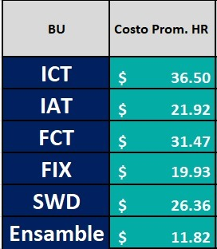
GROSS PROFIT ANALYTICS |  |  |  |  |  |  |  |  |  |  |  |  |  |  | FCT |  |  |  |  |  | IAT |  |  |  |  |  | MECH |  |  |  |  |  | FIX |  |  |  |  |  | SWD
 |  |  |  |  |  |  |  |  |  |  |  |  |  |  | Item | Qty | Unit Price | Cost | Revenue | Amount | Item | Qty | Unit Price | Cost | Revenue | Amount | Item | Qty | Unit Price | Cost | Revenue | Amount | Item | Qty | Unit Price | Cost | Revenue | Amount | Item | Qty | Unit Price | Cost | Revenue | Amount
Ítem | Ítem Type | Descrption | Qty | Unit Price | Discount | Amount | MK % | Revenue | Cost | ENG Hours | TECH Hours |  |  |  |  |  |  |  |  |  |  |  |  |  |  |  |  |  | $- |  | $- | $-
1 | Mark Up | FIXTURE & MATERIALS | 1 | $- | $- | $- | 30 | $- | $- |  |  |  |  |  |  |  |  |  |  |  |  |  | $- |  | $- | $- |  |  | $- |  | $- | $-
2 | Engineering | FIX HOURS | 1 | $- | $- | $- | NA | $- | $- | 0 | 0 |  |  |  |  |  |  |  |  |  |  |  | $- |  | $- | $- |  |  | $- |  | $- | $-
3 | Engineering | FIX NRE | 1 | $- | $- | $- | NA | $- | $- | 0 | 0 |  |  |  |  |  |  |  |  |  |  |  | $- |  | $- | $- |  |  | $- |  | $- | $-
4 | Engineering | FIX On-Site | 1 | $- | $- | $- | NA | $- | $- | 0 | 0 |  |  |  |  |  |  |  |  |  |  |  | $- |  | $- | $- |  |  | $- |  | $- | $-
5 | Mark Up | FCT & MATERIALS | 1 | $- | $- | $- | 30 | $- | $- |  |  |  |  |  |  |  |  |  |  |  |  |  | $- |  | $- | $- |  |  | $- |  | $- | $-
6 | Engineering | FCT HOURS | 1 | $- | $- | $- | NA | $- | $- | 0 | 0 |  |  |  |  |  |  |  |  |  |  |  | $- |  | $- | $- |  |  | $- |  | $- | $-
7 | Engineering | FCT NRE | 1 | $- | $- | $- | NA | $- | $- | 0 | 0 |  |  |  |  |  |  |  |  |  |  |  | $- |  | $- | $- |  |  | $- |  | $- | $-
8 | Engineering | FCT On-Site | 1 | $- | $- | $- | NA | $- | $- | 0 | 0 |  |  |  |  |  |  |  |  |  |  |  | $- |  | $- | $- |  |  | $- |  | $- | $-
9 | Mark Up | MECH & MATERIALS | 1 | $- | $- | $- | 30 | $- | $- |  |  | On Site Support LLC |  |  |  |  |  |  |  |  |  |  | $- |  | $- | $- |  |  | $- |  | $- | $-
10 | Engineering | MECH HOURS | 1 | $- | $- | $- | NA | $- | $- | 0 | 0 | BU | Amount per hr |  |  |  |  |  |  |  |  |  | $- |  | $- | $- |  |  | $- |  | $- | $-
11 | Engineering | MECH NRE | 1 | $- | $- | $- | NA | $- | $- | 0 | 0 | SWD | $130.00 | USD |  |  |  |  |  |  |  |  | $- |  | $- | $- |  |  | $- |  | $- | $-
12 | Engineering | MECH On-Site | 1 | $- | $- | $- | NA | $- | $- | 0 | 0 | Mech | $130.00 | USD |  |  |  |  |  |  |  |  | $- |  | $- | $- |  |  | $- |  | $- | $-
13 | Mark Up | IAT & MATERIALS | 1 | $- | $- | $- | 30 | $- | $- |  |  | Auto | $160.00 | USD |  |  |  |  |  |  |  |  | $- |  | $- | $- |  |  | $- |  | $- | $-
14 | Engineering | IAT HOURS | 1 | $- | $- | $- | NA | $- | $- | 0 | 0 | FCT | $200.00 | USD |  |  |  |  |  |  |  |  | $- |  | $- | $- |  |  | $- |  | $- | $-
15 | Engineering | IAT NRE | 1 | $- | $- | $- | NA | $- | $- | 0 | 0 | FIX | $130.00 | USD |  |  |  |  |  |  |  |  | $- |  | $- | $- |  |  | $- |  | $- | $-
16 | Engineering | IAT On-Site | 1 | $- | $- | $- | NA | $- | $- | 0 | 0 | Tech | $50.00 | USD |  |  |  |  |  |  |  |  | $- |  | $- | $- |  |  | $- |  | $- | $-
17 | Mark Up | SWD & MATERIALS | 1 | $- | $- | $- | 30 | $- | $- |  |  |  |  |  |  |  |  |  |  |  |  |  | $- |  | $- | $- |  |  | $- |  | $- | $-
18 | Engineering | SWD HOURS | 1 | $- | $- | $- | NA | $- | $- |  |  |  |  |  |  |  |  |  |  |  |  |  | $- |  | $- | $- |  |  | $- |  | $- | $-
19 | Engineering | SWD NRE | 1 | $- | $- | $- | NA | $- | $- |  |  |  |  |  |  |  |  |  |  |  |  |  | $- |  | $- | $- |  |  | $- |  | $- | $-
20 | Engineering | SWD On-Site | 1 | $- | $- | $- | NA | $- | $- |  |  |  |  |  |  |  |  |  |  |  |  |  | $- |  | $- | $- |  |  | $- |  | $- | $-
21 | No Mark Up | Shipping | 1 | $- | $- | $- | NA | $- | $- |  |  |  |  |  |  |  |  |  |  |  |  |  | $- |  | $- | $- |  |  | $- |  | $- | $-
22 | No Mark Up | Travel Expenses | 1 | $- | $- | $- | NA | $- | $- | % Revenue | #DIV/0! |  |  |  |  |  |  |  |  |  |  |  | $- |  | $- | $- |  |  | $- |  | $- | $-
23 | No Mark Up | Fixture Shipping & Customs Costs | 1 | $- | $- | $- | NA | $- | $- |  |  |  |  |  |  |  |  |  |  |  |  |  | $- |  | $- | $- |  |  | $- |  | $- | $-
24 |  | Negotiation 4% |  | $- |  |  |  |  |  |  |  |  |  |  |  |  |  |  |  |  |  |  | $- |  | $- | $- |  |  | $- |  | $- | $-
 |  |  |  |  |  |  |  |  | $- |  |  |  |  |  |  |  |  |  |  |  |  |  | $- |  | $- | $- |  |  | $- |  | $- | $-
 |  |  |  |  | TOTAL: | $- |  | $- | $- |  |  |  |  |  |  |  |  |  |  |  |  |  | $- |  | $- | $- |  |  | $- |  | $- | $-
 |  | 1% materiales |  | $0.00 |  | $0.00 |  |  |  |  |  |  |  |  |  |  |  |  |  |  |  |  |  |  |  | $- |  |  | $- |  | $- | $-
 |  | 1.5% garantía bancaría |  | $- |  | $- |  |  |  |  |  |  |  |  |  |  |  |  |  |  |  |  |  |  |  |  |  |  | $- |  | $- | $-
 |  | 4% negociación |  |  |  | $- |  | $- |  |  |  |  |  |  |  |  |  |  |  |  |  |  |  |  |  |  |  |  | $- |  | $- | $-
 |  |  |  |  | GRAN TOTAL: | $- |  | $- | $- |  |  |  |  |  |  |  |  |  |  |  |  |  |  |  |  |  |  |  | $- |  | $- | $-
 |  |  |  |  |  |  |  |  |  |  |  |  |  |  |  |  |  |  |  |  |  |  |  |  |  |  |  |  | $- |  | $- | $-
 |  |  |  |  |  |  |  |  |  |  |  |  |  |  |  |  |  |  |  |  |  |  |  |  |  |  |  |  | $- |  | $- | $-
 |  |  |  |  |  |  |  |  |  |  |  |  |  |  |  |  |  |  |  |  |  |  |  |  |  |  |  |  | $- |  | $- | $-
 |  |  |  |  |  |  |  |  |  |  |  |  |  |  |  |  |  |  |  |  |  |  |  |  |  |  |  |  | $- |  | $- | $-
 |  |  |  |  |  |  |  |  |  |  |  |  |  |  |  |  |  |  |  |  |  |  |  |  |  |  |  |  | $- |  | $- | $-
 |  |  |  |  |  |  |  |  |  |  |  |  |  |  |  |  |  |  |  |  |  |  |  |  |  |  |  |  | $- |  | $- | $-
 |  |  |  |  |  |  |  |  |  |  |  |  |  |  |  |  |  |  |  |  |  |  |  |  |  |  |  |  | $- |  | $- | $-
 |  |  |  |  |  |  |  |  |  |  |  |  |  |  |  |  |  |  |  |  |  |  |  |  |  |  |  |  | $- |  | $- | $-
 |  |  |  |  |  |  |  |  |  |  |  |  |  |  |  |  |  |  |  |  |  |  |  |  |  |  |  |  | $- |  | $- | $-
 |  |  |  |  |  |  |  |  |  |  |  |  |  |  |  |  |  |  |  |  |  |  |  |  |  |  |  |  | $- |  | $- | $-
 |  |  |  |  |  |  |  |  |  |  |  |  |  |  |  |  |  |  |  |  |  |  |  |  |  |  |  |  | $- |  | $- | $-
 |  |  |  |  |  |  |  |  |  |  |  |  |  |  |  |  |  |  |  |  |  |  |  |  |  |  |  |  | $- |  | $- | $-
 |  |  |  |  |  |  |  |  |  |  |  |  |  |  |  |  |  |  |  |  |  |  |  |  |  |  |  |  | $- |  | $- | $-
 |  |  |  |  |  |  |  |  |  |  |  |  |  |  |  |  |  |  |  |  |  |  |  |  |  |  |  |  | $- |  | $- | $-
 |  |  |  |  |  |  |  |  |  |  |  |  |  |  |  |  |  |  |  |  |  |  |  |  |  |  |  |  | $- |  | $- | $-
 |  |  |  |  |  |  |  |  |  |  |  |  |  |  |  |  |  |  |  |  |  |  |  |  |  |  |  |  | $- |  | $- | $-
 |  |  |  |  |  |  |  |  |  |  |  |  |  |  |  |  |  |  |  |  |  |  |  |  |  |  |  |  | $- |  | $- | $-
 |  |  |  |  |  |  |  |  |  |  |  |  |  |  |  |  |  |  |  |  |  |  |  |  |  |  |  |  | $- |  | $- | $-
 |  |  |  |  |  |  |  |  |  |  |  |  |  |  |  |  |  |  |  |  |  |  |  |  |  |  |  |  | $- |  | $- | $-
 |  |  |  |  |  |  |  |  |  |  |  |  |  |  |  |  |  |  |  |  |  |  |  |  |  |  |  |  | $- |  | $- | $-
 |  |  |  |  |  |  |  |  |  |  |  |  |  |  |  |  |  |  |  |  |  |  |  |  |  |  |  |  | $- |  | $- | $-
 |  |  |  |  |  |  |  |  |  |  |  |  |  |  |  |  |  |  |  |  |  |  |  |  |  |  |  |  | $- |  | $- | $-
 |  |  |  |  |  |  |  |  |  |  |  |  |  |  |  |  |  |  |  |  |  |  |  |  |  |  |  |  | $- |  | $- | $-
 |  |  |  |  |  |  |  |  |  |  |  |  |  |  |  |  |  |  |  |  |  |  |  |  |  |  |  |  | $- |  | $- | $-
 |  |  |  |  |  |  |  |  |  |  |  |  |  |  |  |  |  |  |  |  |  |  |  |  |  |  |  |  |  |  |  | $-

Logs
Recolección: | iBtest Guadalajara | 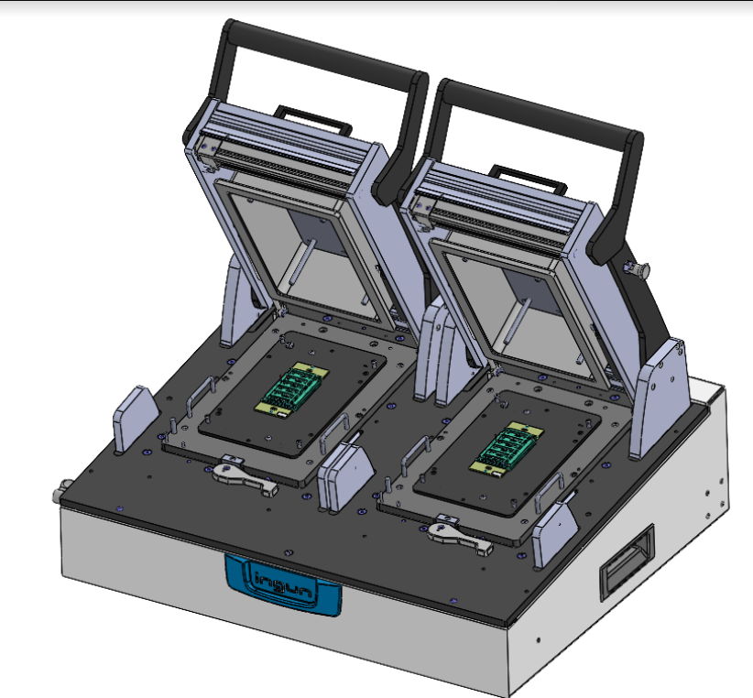
Valor total de factura | $35,629.34
Destino | Creston Electronics, Inc 88 Ramland Road, Orangeburg NY 10962
Cantidad | 1
Dimensiones | 86 X 88 X 57
Peso | 65 Kg
Incoterms | DDP

